Sheet1
 |  | Type A |  |  | Type B
 |  | Env-T | Env-F | Target | Env-T | Env-F | Target
COLLECTIVE | Between 5 and 7 dots | are arranged on a circle |  |  | surround their closest circle
 |  | form a circle |  |  | surround the circle closest to them.
DISTRIBUTIVE |  | are below the line |  |  | are connected to the circle closest to them.
 |  |  |  |  | are connected to their closest circle.
Images |  | 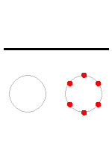 | 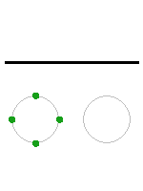 | 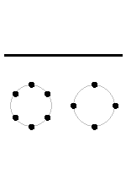 | 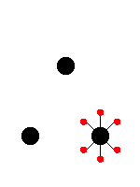 | 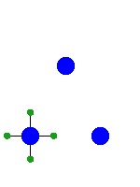 | 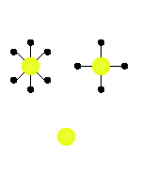
Fillers |  | There are black dots. (FALSE) | There are green dots. (TRUE) | There are black dots. (TRUE) | There are green circles.(FALSE) | There are blue circles.(TRUE) | There are yellow circles.(TRUE)
 |  |  |  | There are red dots.(FALSE) |  |  | There are blue circles.(FALSE)

